household age
Japan 1994 |  |  | in model | after round |  | Japan 2009 |  |  | 模型总人数 |  | after round
Age | total | pecentage | 500 |  | in-code age | Age | total | percentage | 500 | 1.06 |  | in-code age
5 | 1,259,000 | 1.20% | 6.02 | 6 | 2004新增劳动力 | 5 | 1,088,000 | 0.98% | 4.924 | 5.200 | 5 | 2019新增劳动力
6 | 1,302,000 | 1.24% | 6.22 | 6 | 2003新增劳动力 | 6 | 1,111,000 | 1.01% | 5.028 | 5.310 | 5 | 2018新增劳动力
7 | 1,345,000 | 1.29% | 6.43 | 6 | 2002新增劳动力 | 7 | 1,145,000 | 1.04% | 5.182 | 5.472 | 5 | 2017新增劳动力
8 | 1,376,000 | 1.32% | 6.58 | 7 | 2001新增劳动力 | 8 | 1,160,000 | 1.05% | 5.250 | 5.544 | 6 | 2016新增劳动力
9 | 1,442,000 | 1.38% | 6.89 | 7 | 2000新增劳动力 | 9 | 1,180,000 | 1.07% | 5.340 | 5.639 | 6 | 2015新增劳动力
10 | 1,492,000 | 1.43% | 7.13 | 7 | 1999新增劳动力 | 10 | 1,179,000 | 1.07% | 5.336 | 5.635 | 6 | 2014新增劳动力
11 | 1,508,000 | 1.44% | 7.21 | 7 | 1998新增劳动力 | 11 | 1,193,000 | 1.08% | 5.399 | 5.702 | 6 | 2013新增劳动力
12 | 1,513,000 | 1.45% | 7.23 | 7 | 1997新增劳动力 | 12 | 1,188,000 | 1.08% | 5.376 | 5.677 | 6 | 2012新增劳动力
13 | 1,531,000 | 1.46% | 7.32 | 7 | 1996新增劳动力 | 13 | 1,183,000 | 1.07% | 5.354 | 5.654 | 6 | 2011新增劳动力
14 | 1,600,000 | 1.53% | 7.65 | 8 | 1995新增劳动力 | 14 | 1,206,000 | 1.09% | 5.458 | 5.764 | 6 | 2010新增劳动力
15-19 | 8,868,000 | 8.48% | 42.38 | 42 | 0～20 | 15-19 | 6,093,000 | 5.51% | 27.574 | 29.120 | 29 | 0～20
20-24 | 9,986,000 | 9.54% | 47.72 | 48 | 20～40 | 20-24 | 6,994,000 | 6.33% | 31.651 | 33.425 | 33 | 20～40
25-29 | 8,673,000 | 8.29% | 41.45 | 41 | 40～60 | 25-29 | 7,534,000 | 6.82% | 34.095 | 36.006 | 36 | 40～60
30-34 | 7,897,000 | 7.55% | 37.74 | 38 | 60～80 | 30-34 | 8,700,000 | 7.87% | 39.372 | 41.579 | 42 | 60～80
35-39 | 7,906,000 | 7.56% | 37.78 | 38 | 80～100 | 35-39 | 9,662,000 | 8.75% | 43.725 | 46.176 | 46 | 80～100
40-44 | 9,494,000 | 9.07% | 45.37 | 45 | 100～120 | 40-44 | 8,544,000 | 7.73% | 38.666 | 40.833 | 41 | 100～120
45-49 | 9,976,000 | 9.54% | 47.68 | 48 | 120～140 | 45-49 | 7,779,000 | 7.04% | 35.204 | 37.177 | 37 | 120～140
50-54 | 9,063,000 | 8.66% | 43.31 | 43 | 140～160 | 50-54 | 7,774,000 | 7.04% | 35.181 | 37.153 | 37 | 140～160
55-59 | 7,853,000 | 7.51% | 37.53 | 38 | 160～180 | 55-59 | 9,299,000 | 8.42% | 42.083 | 44.442 | 44 | 160～180
60-64 | 7,319,000 | 7.00% | 34.98 | 35 | 180～200 | 60-64 | 9,260,000 | 8.38% | 41.906 | 44.255 | 44 | 180～200
65-69 | 6,228,000 | 5.95% | 29.76 | 30 | 200～220 | 65-69 | 8,334,000 | 7.54% | 37.716 | 39.830 | 40 | 200～220
70-74 | 4,491,000 | 4.29% | 21.46 | 21 | 220～240 | 70-74 | 6,905,000 | 6.25% | 31.249 | 33.001 | 33 | 220～240
75-79 | 3,147,000 | 3.01% | 15.04 | 15 | 240～260 | 75-79 | 5,783,000 | 5.23% | 26.171 | 27.638 | 28 | 240～260
80-84 | 2,245,000 | 2.15% | 10.73 | 11 | 260～280 | 80-84 | 4,202,000 | 3.80% | 19.016 | 20.082 | 20 | 260～280
85-89 | 1,056,000 | 1.01% | 5.05 | 5 | 280～300 | 85-89 | 2,332,000 | 2.11% | 10.553 | 11.144 | 11 | 280～300
90+ | 419,000 | 0.40% | 2.00 | 2 | 300～320 | 90+ | 1,290,000 | 1.17% | 5.838 | 6.165 | 6 | 300～320

15+ 总人数 | 104621000 | 1.00 | sum | 500 |  | 15+ 总人数 | 110,485,000 |  | sum |  | 527
 |  |  |  |  | 0.20192307692
 |  |  | 13109000
https://data.un.org/Data.aspx?d=POP&f=tableCode%3A22%3BcountryCode%3A392
 |  | 2000年的age structure 和模型输出做对比
 |  | burn-in 的处理，不一定要burn-in，

*真实的15岁（合法工作年龄）=模型中的0岁

age dependency ratio
https://data.worldbank.org/indicator/SP.POP.DPND.OL?locations=JP

number of firms
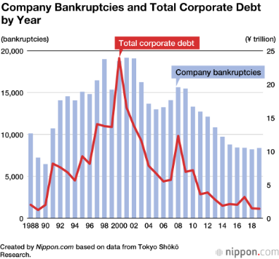
 | Year | 会社企業数/number of companies | 常用雇用者数 | 人/公司 | reference
平成6年 | 1994
平成8年 | 1996 | 1,674,465
平成11年 | 1999 | 1,667,639 | 36,394,194 | 21.82
平成13年 | 2001 | 1,617,600 | 33,911,389 | 20.96
平成16年 | 2004 | 1,529,616 | 31,561,764 | 20.63
平成18年 | 2006 | 1,515,835 | 32,678,107 | 21.56 |  | 佐证：https://www.stat.go.jp/data/jigyou/2006/kakuhou/gaiyou/08.html

平成21年 | 2009 | 1,805,545 |  |  | p11: https://www.stat.go.jp/data/e-census/2009/kakuho/gaiyou/pdf/youyaku.pdf
平成24年 | 2012 | 1,706,470 |  |  | p5:https://www.stat.go.jp/data/e-census/2012/kakuho/pdf/gaiyo.pdf
平成26年 | 2014 | 1,750,071 | 37,777,438 | 21.59 | p23: https://www.stat.go.jp/data/e-census/2014/pdf/kaku_gaiyo.pdf
平成28年 | 2016 | 1,629,286
令和3年 | 2021 | 1,781,323
令和6年 | 2024 | 1,764,656
 |  |  |  |  | https://www.stat.go.jp/data/e-census/2021/kekka/pdf/k_outline.pdf
 |  |  | 26.96

事業所・企業統計調査
https://www.e-stat.go.jp/stat-search?page=1&toukei=00200551

倒闭信息
帝国databank
https://www.tdb.co.jp/report/bankruptcy/?year=2013

death rate
 |  |  |  | 4 | ticks | = | 1year |  |  |  |  | 4 | ticks | = | 1year

Year | Age | Female | Male | Total | Total % | per tick | in-code age | Year | Age | Female | Male | Total | Total % | per tick | in-code age
1990-1999 | 0 | 0.003771 | 0.004449 | 0.004119 | 0.41% |  |  | 2010-2019 | 0 | 0.001989 | 0.002163 | 0.002078 | 0.21%
1990-1999 | 1-4 | 0.00035 | 0.000438 | 0.000395 | 0.04% |  |  | 2010-2019 | 1-4 | 0.000189 | 0.000207 | 0.000198 | 0.02%
1990-1999 | 5-9 | 0.000137 | 0.000195 | 0.000167 | 0.02% |  |  | 2010-2019 | 5-9 | 0.000076 | 0.000096 | 0.000086 | 0.01%
1990-1999 | 10-14 | 0.000109 | 0.000165 | 0.000138 | 0.01% |  |  | 2010-2019 | 10-14 | 0.000073 | 0.000104 | 0.000089 | 0.01%
1990-1999 | 15-19 | 0.000215 | 0.000555 | 0.00039 | 0.04% | 9.7514E-05 | 0～20 | 2010-2019 | 15-19 | 0.000145 | 0.000285 | 0.000217 | 0.02% | 0.005425% | 0～20
1990-1999 | 20-24 | 0.000287 | 0.000715 | 0.000505 | 0.05% | 1.2627E-04 | 20～40 | 2010-2019 | 20-24 | 0.000231 | 0.000532 | 0.000385 | 0.04% | 0.009626% | 20～40
1990-1999 | 25-29 | 0.000328 | 0.000712 | 0.000523 | 0.05% | 1.3078E-04 | 40～60 | 2010-2019 | 25-29 | 0.000278 | 0.000571 | 0.000427 | 0.04% | 0.010677% | 40～60
1990-1999 | 30-34 | 0.000449 | 0.000824 | 0.000638 | 0.06% | 1.5954E-04 | 60～80 | 2010-2019 | 30-34 | 0.000362 | 0.000664 | 0.000516 | 0.05% | 0.012902% | 60～80
1990-1999 | 35-39 | 0.000638 | 0.001155 | 0.000899 | 0.09% | 2.2483E-04 | 80～100 | 2010-2019 | 35-39 | 0.000509 | 0.000871 | 0.000693 | 0.07% | 0.017330% | 80～100
1990-1999 | 40-44 | 0.001018 | 0.001831 | 0.001427 | 0.14% | 3.5694E-04 | 100～120 | 2010-2019 | 40-44 | 0.000767 | 0.001304 | 0.001039 | 0.10% | 0.025985% | 100～120
1990-1999 | 45-49 | 0.001604 | 0.003054 | 0.002329 | 0.23% | 5.8276E-04 | 120～140 | 2010-2019 | 45-49 | 0.001189 | 0.00206 | 0.00163 | 0.16% | 0.040775% | 120～140
1990-1999 | 50-54 | 0.002402 | 0.00492 | 0.003651 | 0.37% | 9.1400E-04 | 140～160 | 2010-2019 | 50-54 | 0.001812 | 0.003373 | 0.002597 | 0.26% | 0.064988% | 140～160
1990-1999 | 55-59 | 0.003484 | 0.007904 | 0.005654 | 0.57% | 1.4165E-03 | 160～180 | 2010-2019 | 55-59 | 0.002581 | 0.005412 | 0.003992 | 0.40% | 0.099950% | 160～180
1990-1999 | 60-64 | 0.005368 | 0.012801 | 0.008959 | 0.90% | 2.2473E-03 | 180～200 | 2010-2019 | 60-64 | 0.00376 | 0.0088 | 0.006241 | 0.62% | 0.156391% | 180～200
1990-1999 | 65-69 | 0.008561 | 0.019711 | 0.013701 | 1.37% | 3.4430E-03 | 200～220 | 2010-2019 | 65-69 | 0.005637 | 0.013703 | 0.009527 | 0.95% | 0.239031% | 200～220
1990-1999 | 70-74 | 0.014793 | 0.031199 | 0.021679 | 2.17% | 5.4644E-03 | 220～240 | 2010-2019 | 70-74 | 0.009079 | 0.021411 | 0.01483 | 1.48% | 0.372830% | 220～240
1990-1999 | 75-79 | 0.027935 | 0.05349 | 0.037803 | 3.78% | 9.5878E-03 | 240～260 | 2010-2019 | 75-79 | 0.016385 | 0.035807 | 0.024966 | 2.50% | 0.630080% | 240～260
1990-1999 | 80-84 | 0.054473 | 0.092831 | 0.068361 | 6.84% | 1.7547E-02 | 260～280 | 2010-2019 | 80-84 | 0.032646 | 0.065064 | 0.045611 | 4.56% | 1.160314% | 260～280
1990-1999 | 85-89 | 0.101828 | 0.152507 | 0.118223 | 11.82% | 3.0964E-02 | 280～300 | 2010-2019 | 85-89 | 0.066466 | 0.11631 | 0.083107 | 8.31% | 2.145756% | 280～300
1990-1999 | 90-94 | 0.17805 | 0.238052 | 0.194816 | 19.48% | 5.2730E-02 | 300～320 | 2010-2019 | 90-94 | 0.131551 | 0.198255 | 0.148196 | 14.82% | 3.930635% | 300～320
1990-1999 | 95-99 | 0.278419 | 0.346532 | 0.29445 | 29.45% | 8.3501E-02 | 320～340 | 2010-2019 | 95-99 | 0.237786 | 0.320748 | 0.252469 | 25.25% | 7.016198% | 320～340
1990-1999 | 100-104 | 0.403543 | 0.480095 | 0.41848 | 41.85% | 1.2674E-01 | 340～360 | 2010-2019 | 100-104 | 0.387999 | 0.477562 | 0.399461 | 39.95% | 11.969067% | 340～360
1990-1999 | 105-109 | 0.556084 | 0.636229 | 0.568402 | 56.84% |  |  | 2010-2019 | 105-109 | 0.552332 | 0.66105 | 0.5619 | 56.19%
1990-1999 | 110+ | 0.533029 | 0.461502 | 0.525447 | 52.54% |  |  | 2010-2019 | 110+ | 0.687092 | 0.802889 | 0.693456 | 69.35%

https://www.ipss.go.jp/p-toukei/JMD_004_002/13/index-en.html

productivity
https://www.jpc-net.jp/research/rd/db/
生産性データベース（JAMP）
日本の労働生産性の推移
＜実質労働生産性上昇率＞
(就業者1人当たり)
year-on-year

year | labor productivity growth rate | year | labor productivity growth rate
1994 | 0.8% | 2009 | -4.3%
1995 | 2.6% | 2010 | 4.4%
1996 | 2.7% | 2011 | 0.1%
1997 | -0.1% | 2012 | 1.6%
1998 | -0.6% | 2013 | 1.3%
1999 | 0.5% | 2014 | -0.4%
2000 | 3.0% | 2015 | 1.1%
2001 | 0.9% | 2016 | -0.3%
2002 | 1.3% | 2017 | 0.6%
2003 | 1.8% | 2018 | -1.5%

wage increase
年份 | 賃金 | % | /4 | remark

1993 | 281.1
1994 | 288.4 | 0.025969405905 | 0.0064923514763 | h6
1995 | 291.3 | 0.010055478502 | 0.0025138696255
1996 | 295.6 | 0.014761414349 | 0.0036903535874
1997 | 298.9 | 0.011163734777 | 0.0027909336942
1998 | 299.1 | 0.00066912010706 | 0.00016728002676
1999 | 300.6 | 0.0050150451354 | 0.0012537612839
2000 | 302.2 | 0.0053226879574 | 0.0013306719894
2001 | 305.8 | 0.011912640635 | 0.0029781601588
2002 | 302.6 | -0.010464355788 | -0.002616088947
2003 | 302.1 | -0.0016523463318 | -0.00041308658295 | h15
2004
2005
2006
2007
2008 | 299.1
2009 | 294.5 | -0.015379471749 | -0.0038448679371 | h21 | 1.0211511789
2010 | 296.2 | 0.0057724957555 | 0.0014431239389
2011 | 296.8 | 0.002025658339 | 0.00050641458474
2012 | 297.7 | 0.0030323450135 | 0.00075808625337 | h24
2013 | 295.7 | -0.006718172657 | -0.0016795431643
2014 | 299.6 | 0.013189042949 | 0.0032972607372
2015 | 304 | 0.014686248331 | 0.0036715620828
2016 | 304 | 0 | 0
2017 | 304.4 | 0.0013157894737 | 0.00032894736842
2018 | 306.2 | 0.0059132720105 | 0.0014783180026 | h30
2019 | 307.7 |  |  | l1

厚生劳动省：

https://www.mhlw.go.jp/toukei/itiran/roudou/chingin/kouzou/z2024/dl/sokuhou.pdf

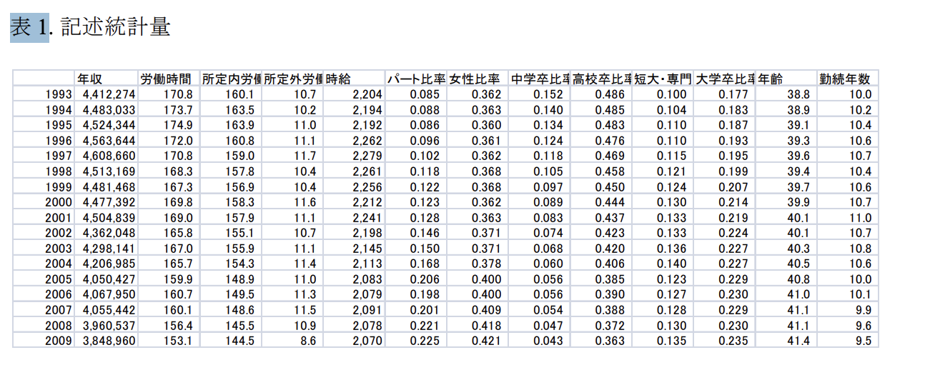
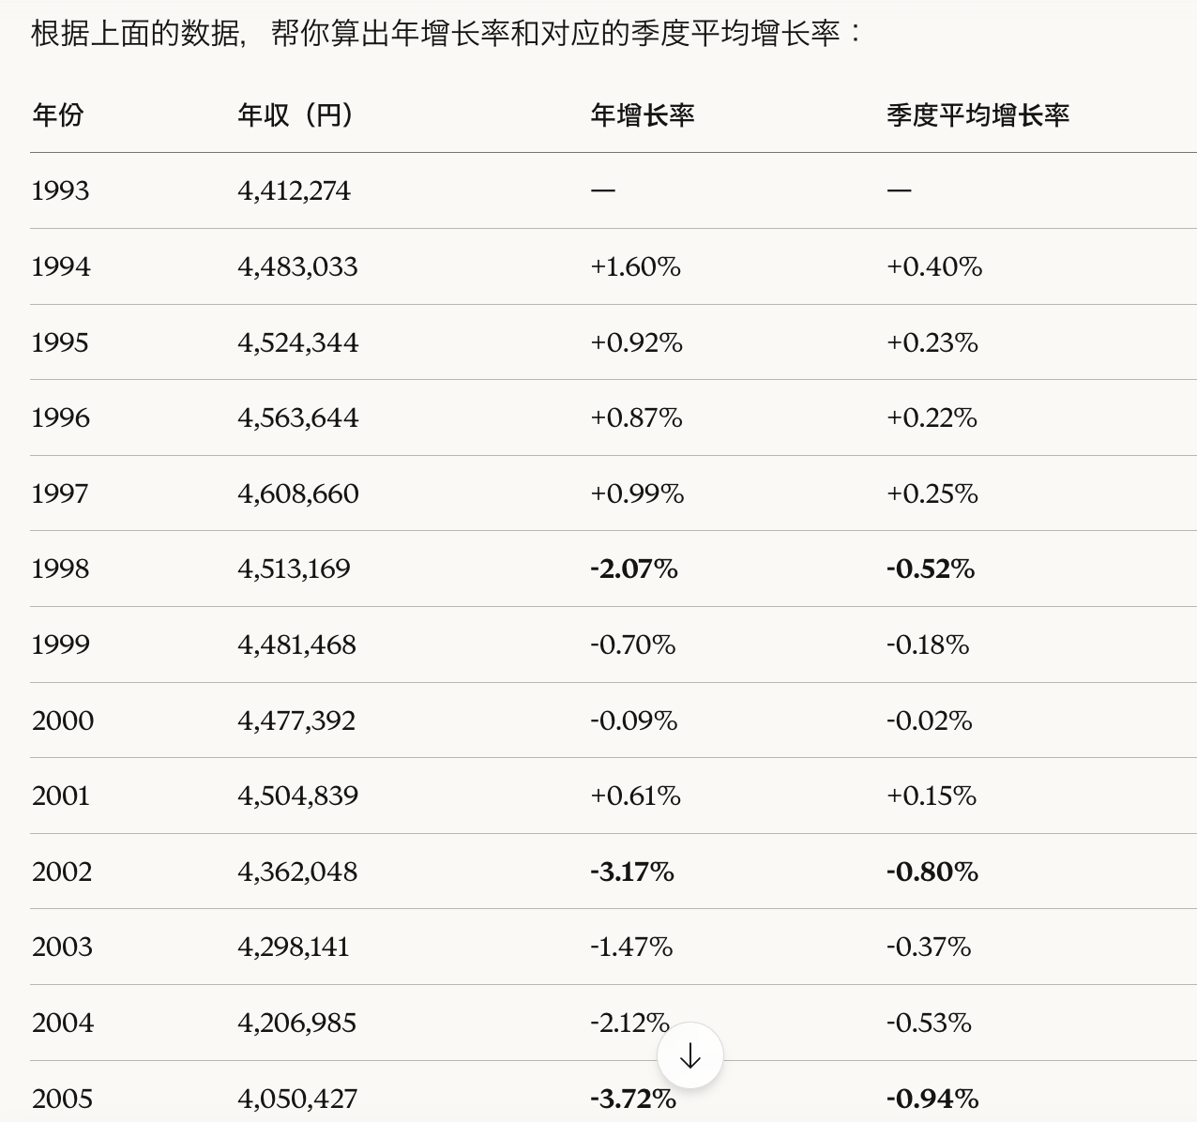

https://www.rieti.go.jp/jp/publications/dp/12j031.pdf

 | tick 9 | tick 10 | tick 11
nominal gdp | 1679.29 | 1661.34 | 1642.31
market-price | 1.1059 | 1.0938 | 1.089
sales | 1499 | 1500 | 1506
inventories | 804 | 831 | 859

 |  | 1660.5042 | 1666.5372

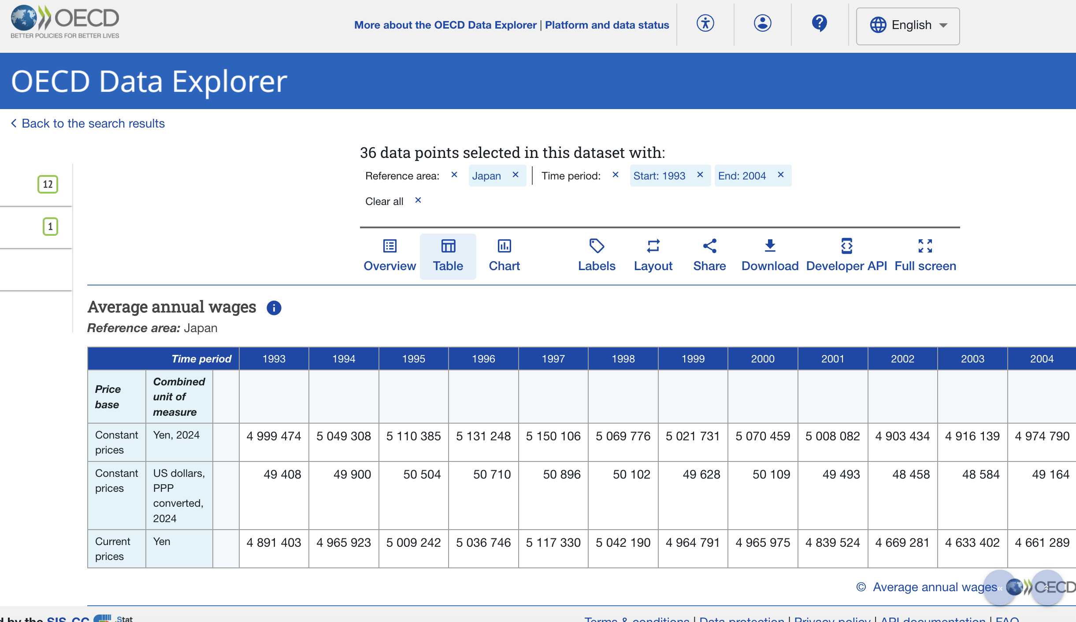

https://data-explorer.oecd.org/vis?df[ds]=DisseminateFinalDMZ&df[id]=DSD_EARNINGS%40AV_AN_WAGE&df[ag]=OECD.ELS.SAE&dq=JPN......&pd=1993%2C2004&to[TIME_PERIOD]=false&vw=tb

policy int
Year | Rate | Year | Rate
1994-01-01 | 1.75 | 2009-01-01 | 0.3
1994-02-01 | 1.75 | 2009-02-01 | 0.3
1994-03-01 | 1.75 | 2009-03-01 | 0.3
1994-04-01 | 1.75 | 2009-04-01 | 0.3
1994-05-01 | 1.75 | 2009-05-01 | 0.3
1994-06-01 | 1.75 | 2009-06-01 | 0.3
1994-07-01 | 1.75 | 2009-07-01 | 0.3
1994-08-01 | 1.75 | 2009-08-01 | 0.3
1994-09-01 | 1.75 | 2009-09-01 | 0.3
1994-10-01 | 1.75 | 2009-10-01 | 0.3
1994-11-01 | 1.75 | 2009-11-01 | 0.3
1994-12-01 | 1.75 | 2009-12-01 | 0.3
1995-01-01 | 1.75 | 2010-01-01 | 0.3
1995-02-01 | 1.75 | 2010-02-01 | 0.3
1995-03-01 | 1.75 | 2010-03-01 | 0.3
1995-04-01 | 1 | 2010-04-01 | 0.3
1995-05-01 | 1 | 2010-05-01 | 0.3
1995-06-01 | 1 | 2010-06-01 | 0.3
1995-07-01 | 1 | 2010-07-01 | 0.3
1995-08-01 | 1 | 2010-08-01 | 0.3
1995-09-01 | 0.5 | 2010-09-01 | 0.3
1995-10-01 | 0.5 | 2010-10-01 | 0.3
1995-11-01 | 0.5 | 2010-11-01 | 0.3
1995-12-01 | 0.5 | 2010-12-01 | 0.3
1996-01-01 | 0.5 | 2011-01-01 | 0.3
1996-02-01 | 0.5 | 2011-02-01 | 0.3
1996-03-01 | 0.5 | 2011-03-01 | 0.3
1996-04-01 | 0.5 | 2011-04-01 | 0.3
1996-05-01 | 0.5 | 2011-05-01 | 0.3
1996-06-01 | 0.5 | 2011-06-01 | 0.3
1996-07-01 | 0.5 | 2011-07-01 | 0.3
1996-08-01 | 0.5 | 2011-08-01 | 0.3
1996-09-01 | 0.5 | 2011-09-01 | 0.3
1996-10-01 | 0.5 | 2011-10-01 | 0.3
1996-11-01 | 0.5 | 2011-11-01 | 0.3
1996-12-01 | 0.5 | 2011-12-01 | 0.3
1997-01-01 | 0.5 | 2012-01-01 | 0.3
1997-02-01 | 0.5 | 2012-02-01 | 0.3
1997-03-01 | 0.5 | 2012-03-01 | 0.3
1997-04-01 | 0.5 | 2012-04-01 | 0.3
1997-05-01 | 0.5 | 2012-05-01 | 0.3
1997-06-01 | 0.5 | 2012-06-01 | 0.3
1997-07-01 | 0.5 | 2012-07-01 | 0.3
1997-08-01 | 0.5 | 2012-08-01 | 0.3
1997-09-01 | 0.5 | 2012-09-01 | 0.3
1997-10-01 | 0.5 | 2012-10-01 | 0.3
1997-11-01 | 0.5 | 2012-11-01 | 0.3
1997-12-01 | 0.5 | 2012-12-01 | 0.3
1998-01-01 | 0.5 | 2013-01-01 | 0.3
1998-02-01 | 0.5 | 2013-02-01 | 0.3
1998-03-01 | 0.5 | 2013-03-01 | 0.3
1998-04-01 | 0.5 | 2013-04-01 | 0.3
1998-05-01 | 0.5 | 2013-05-01 | 0.3
1998-06-01 | 0.5 | 2013-06-01 | 0.3
1998-07-01 | 0.5 | 2013-07-01 | 0.3
1998-08-01 | 0.5 | 2013-08-01 | 0.3
1998-09-01 | 0.5 | 2013-09-01 | 0.3
1998-10-01 | 0.5 | 2013-10-01 | 0.3
1998-11-01 | 0.5 | 2013-11-01 | 0.3
1998-12-01 | 0.5 | 2013-12-01 | 0.3
1999-01-01 | 0.5 | 2014-01-01 | 0.3
1999-02-01 | 0.5 | 2014-02-01 | 0.3
1999-03-01 | 0.5 | 2014-03-01 | 0.3
1999-04-01 | 0.5 | 2014-04-01 | 0.3
1999-05-01 | 0.5 | 2014-05-01 | 0.3
1999-06-01 | 0.5 | 2014-06-01 | 0.3
1999-07-01 | 0.5 | 2014-07-01 | 0.3
1999-08-01 | 0.5 | 2014-08-01 | 0.3
1999-09-01 | 0.5 | 2014-09-01 | 0.3
1999-10-01 | 0.5 | 2014-10-01 | 0.3
1999-11-01 | 0.5 | 2014-11-01 | 0.3
1999-12-01 | 0.5 | 2014-12-01 | 0.3
2000-01-01 | 0.5 | 2015-01-01 | 0.3
2000-02-01 | 0.5 | 2015-02-01 | 0.3
2000-03-01 | 0.5 | 2015-03-01 | 0.3
2000-04-01 | 0.5 | 2015-04-01 | 0.3
2000-05-01 | 0.5 | 2015-05-01 | 0.3
2000-06-01 | 0.5 | 2015-06-01 | 0.3
2000-07-01 | 0.5 | 2015-07-01 | 0.3
2000-08-01 | 0.5 | 2015-08-01 | 0.3
2000-09-01 | 0.5 | 2015-09-01 | 0.3
2000-10-01 | 0.5 | 2015-10-01 | 0.3
2000-11-01 | 0.5 | 2015-11-01 | 0.3
2000-12-01 | 0.5 | 2015-12-01 | 0.3
2001-01-01 | 0.5 | 2016-01-01 | 0.3
2001-02-01 | 0.35 | 2016-02-01 | 0.3
2001-03-01 | 0.25 | 2016-03-01 | 0.3
2001-04-01 | 0.25 | 2016-04-01 | 0.3
2001-05-01 | 0.25 | 2016-05-01 | 0.3
2001-06-01 | 0.25 | 2016-06-01 | 0.3
2001-07-01 | 0.25 | 2016-07-01 | 0.3
2001-08-01 | 0.25 | 2016-08-01 | 0.3
2001-09-01 | 0.1 | 2016-09-01 | 0.3
2001-10-01 | 0.1 | 2016-10-01 | 0.3
2001-11-01 | 0.1 | 2016-11-01 | 0.3
2001-12-01 | 0.1 | 2016-12-01 | 0.3
2002-01-01 | 0.1 | 2017-01-01 | 0.3
2002-02-01 | 0.1 | 2017-02-01 | 0.3
2002-03-01 | 0.1 | 2017-03-01 | 0.3
2002-04-01 | 0.1 | 2017-04-01 | 0.3
2002-05-01 | 0.1 | 2017-05-01 | 0.3
2002-06-01 | 0.1 | 2017-06-01 | 0.3
2002-07-01 | 0.1 | 2017-07-01 | 0.3
2002-08-01 | 0.1 | 2017-08-01 | 0.3
2002-09-01 | 0.1 | 2017-09-01 | 0.3
2002-10-01 | 0.1 | 2017-10-01 | 0.3
2002-11-01 | 0.1 | 2017-11-01 | 0.3
2002-12-01 | 0.1 | 2017-12-01 | 0.3
2003-01-01 | 0.1 | 2018-01-01 | 0.3
2003-02-01 | 0.1 | 2018-02-01 | 0.3
2003-03-01 | 0.1 | 2018-03-01 | 0.3
2003-04-01 | 0.1 | 2018-04-01 | 0.3
2003-05-01 | 0.1 | 2018-05-01 | 0.3
2003-06-01 | 0.1 | 2018-06-01 | 0.3
2003-07-01 | 0.1 | 2018-07-01 | 0.3
2003-08-01 | 0.1 | 2018-08-01 | 0.3
2003-09-01 | 0.1 | 2018-09-01 | 0.3
2003-10-01 | 0.1 | 2018-10-01 | 0.3
2003-11-01 | 0.1 | 2018-11-01 | 0.3
2003-12-01 | 0.1 | 2018-12-01 | 0.3

bank of japan basic discount rate and basic loan rate

https://www.boj.or.jp/en/statistics/boj/other/discount/discount.htm

lend int
Year | Rate | Year | Rate
1994-01-01 | 3.000% | 2009-01-01 | 1.475%
1994-02-01 | 3.000% | 2009-02-01 | 1.475%
1994-03-01 | 3.000% | 2009-03-01 | 1.475%
1994-04-01 | 3.000% | 2009-04-01 | 1.475%
1994-05-01 | 3.000% | 2009-05-01 | 1.475%
1994-06-01 | 3.000% | 2009-06-01 | 1.475%
1994-07-01 | 3.000% | 2009-07-01 | 1.475%
1994-08-01 | 3.000% | 2009-08-01 | 1.475%
1994-09-01 | 3.000% | 2009-09-01 | 1.475%
1994-10-01 | 3.000% | 2009-10-01 | 1.475%
1994-11-01 | 3.000% | 2009-11-01 | 1.475%
1994-12-01 | 3.000% | 2009-12-01 | 1.475%
1995-01-01 | 3.000% | 2010-01-01 | 1.475%
1995-02-01 | 3.000% | 2010-02-01 | 1.475%
1995-03-01 | 3.000% | 2010-03-01 | 1.475%
1995-04-01 | 2.375% | 2010-04-01 | 1.475%
1995-05-01 | 2.375% | 2010-05-01 | 1.475%
1995-06-01 | 2.375% | 2010-06-01 | 1.475%
1995-07-01 | 2.000% | 2010-07-01 | 1.475%
1995-08-01 | 2.000% | 2010-08-01 | 1.475%
1995-09-01 | 1.625% | 2010-09-01 | 1.475%
1995-10-01 | 1.625% | 2010-10-01 | 1.475%
1995-11-01 | 1.625% | 2010-11-01 | 1.475%
1995-12-01 | 1.625% | 2010-12-01 | 1.475%
1996-01-01 | 1.625% | 2011-01-01 | 1.475%
1996-02-01 | 1.625% | 2011-02-01 | 1.475%
1996-03-01 | 1.625% | 2011-03-01 | 1.475%
1996-04-01 | 1.625% | 2011-04-01 | 1.475%
1996-05-01 | 1.625% | 2011-05-01 | 1.475%
1996-06-01 | 1.625% | 2011-06-01 | 1.475%
1996-07-01 | 1.625% | 2011-07-01 | 1.475%
1996-08-01 | 1.625% | 2011-08-01 | 1.475%
1996-09-01 | 1.625% | 2011-09-01 | 1.475%
1996-10-01 | 1.625% | 2011-10-01 | 1.475%
1996-11-01 | 1.625% | 2011-11-01 | 1.475%
1996-12-01 | 1.625% | 2011-12-01 | 1.475%
1997-01-01 | 1.625% | 2012-01-01 | 1.475%
1997-02-01 | 1.625% | 2012-02-01 | 1.475%
1997-03-01 | 1.625% | 2012-03-01 | 1.475%
1997-04-01 | 1.625% | 2012-04-01 | 1.475%
1997-05-01 | 1.625% | 2012-05-01 | 1.475%
1997-06-01 | 1.625% | 2012-06-01 | 1.475%
1997-07-01 | 1.625% | 2012-07-01 | 1.475%
1997-08-01 | 1.625% | 2012-08-01 | 1.475%
1997-09-01 | 1.625% | 2012-09-01 | 1.475%
1997-10-01 | 1.625% | 2012-10-01 | 1.475%
1997-11-01 | 1.625% | 2012-11-01 | 1.475%
1997-12-01 | 1.625% | 2012-12-01 | 1.475%
1998-01-01 | 1.625% | 2013-01-01 | 1.475%
1998-02-01 | 1.625% | 2013-02-01 | 1.475%
1998-03-01 | 1.625% | 2013-03-01 | 1.475%
1998-04-01 | 1.625% | 2013-04-01 | 1.475%
1998-05-01 | 1.625% | 2013-05-01 | 1.475%
1998-06-01 | 1.625% | 2013-06-01 | 1.475%
1998-07-01 | 1.625% | 2013-07-01 | 1.475%
1998-08-01 | 1.625% | 2013-08-01 | 1.475%
1998-09-01 | 1.500% | 2013-09-01 | 1.475%
1998-10-01 | 1.500% | 2013-10-01 | 1.475%
1998-11-01 | 1.500% | 2013-11-01 | 1.475%
1998-12-01 | 1.500% | 2013-12-01 | 1.475%
1999-01-01 | 1.500% | 2014-01-01 | 1.475%
1999-02-01 | 1.500% | 2014-02-01 | 1.475%
1999-03-01 | 1.375% | 2014-03-01 | 1.475%
1999-04-01 | 1.375% | 2014-04-01 | 1.475%
1999-05-01 | 1.375% | 2014-05-01 | 1.475%
1999-06-01 | 1.375% | 2014-06-01 | 1.475%
1999-07-01 | 1.375% | 2014-07-01 | 1.475%
1999-08-01 | 1.375% | 2014-08-01 | 1.475%
1999-09-01 | 1.375% | 2014-09-01 | 1.475%
1999-10-01 | 1.375% | 2014-10-01 | 1.475%
1999-11-01 | 1.375% | 2014-11-01 | 1.475%
1999-12-01 | 1.375% | 2014-12-01 | 1.475%
2000-01-01 | 1.375% | 2015-01-01 | 1.475%
2000-02-01 | 1.375% | 2015-02-01 | 1.475%
2000-03-01 | 1.375% | 2015-03-01 | 1.475%
2000-04-01 | 1.375% | 2015-04-01 | 1.475%
2000-05-01 | 1.375% | 2015-05-01 | 1.475%
2000-06-01 | 1.375% | 2015-06-01 | 1.475%
2000-07-01 | 1.375% | 2015-07-01 | 1.475%
2000-08-01 | 1.500% | 2015-08-01 | 1.475%
2000-09-01 | 1.500% | 2015-09-01 | 1.475%
2000-10-01 | 1.500% | 2015-10-01 | 1.475%
2000-11-01 | 1.500% | 2015-11-01 | 1.475%
2000-12-01 | 1.500% | 2015-12-01 | 1.475%
2001-01-01 | 1.500% | 2016-01-01 | 1.475%
2001-02-01 | 1.500% | 2016-02-01 | 1.475%
2001-03-01 | 1.500% | 2016-03-01 | 1.475%
2001-04-01 | 1.375% | 2016-04-01 | 1.475%
2001-05-01 | 1.375% | 2016-05-01 | 1.475%
2001-06-01 | 1.375% | 2016-06-01 | 1.475%
2001-07-01 | 1.375% | 2016-07-01 | 1.475%
2001-08-01 | 1.375% | 2016-08-01 | 1.475%
2001-09-01 | 1.375% | 2016-09-01 | 1.475%
2001-10-01 | 1.375% | 2016-10-01 | 1.475%
2001-11-01 | 1.375% | 2016-11-01 | 1.475%
2001-12-01 | 1.375% | 2016-12-01 | 1.475%
2002-01-01 | 1.375% | 2017-01-01 | 1.475%
2002-02-01 | 1.375% | 2017-02-01 | 1.475%
2002-03-01 | 1.375% | 2017-03-01 | 1.475%
2002-04-01 | 1.375% | 2017-04-01 | 1.475%
2002-05-01 | 1.375% | 2017-05-01 | 1.475%
2002-06-01 | 1.375% | 2017-06-01 | 1.475%
2002-07-01 | 1.375% | 2017-07-01 | 1.475%
2002-08-01 | 1.375% | 2017-08-01 | 1.475%
2002-09-01 | 1.375% | 2017-09-01 | 1.475%
2002-10-01 | 1.375% | 2017-10-01 | 1.475%
2002-11-01 | 1.375% | 2017-11-01 | 1.475%
2002-12-01 | 1.375% | 2017-12-01 | 1.475%
2003-01-01 | 1.375% | 2018-01-01 | 1.475%
2003-02-01 | 1.375% | 2018-02-01 | 1.475%
2003-03-01 | 1.375% | 2018-03-01 | 1.475%
2003-04-01 | 1.375% | 2018-04-01 | 1.475%
2003-05-01 | 1.375% | 2018-05-01 | 1.475%
2003-06-01 | 1.375% | 2018-06-01 | 1.475%
2003-07-01 | 1.375% | 2018-07-01 | 1.475%
2003-08-01 | 1.375% | 2018-08-01 | 1.475%
2003-09-01 | 1.375% | 2018-09-01 | 1.475%
2003-10-01 | 1.375% | 2018-10-01 | 1.475%
2003-11-01 | 1.375% | 2018-11-01 | 1.475%
2003-12-01 | 1.375% | 2018-12-01 | 1.475%

prime lending rates (principal banks) short-term prime lending rates of banks - most frequent

https://www.boj.or.jp/en/statistics/dl/loan/prime/primeold2.htm

https://www.boj.or.jp/en/statistics/dl/loan/prime/prime.htm

paygo rate
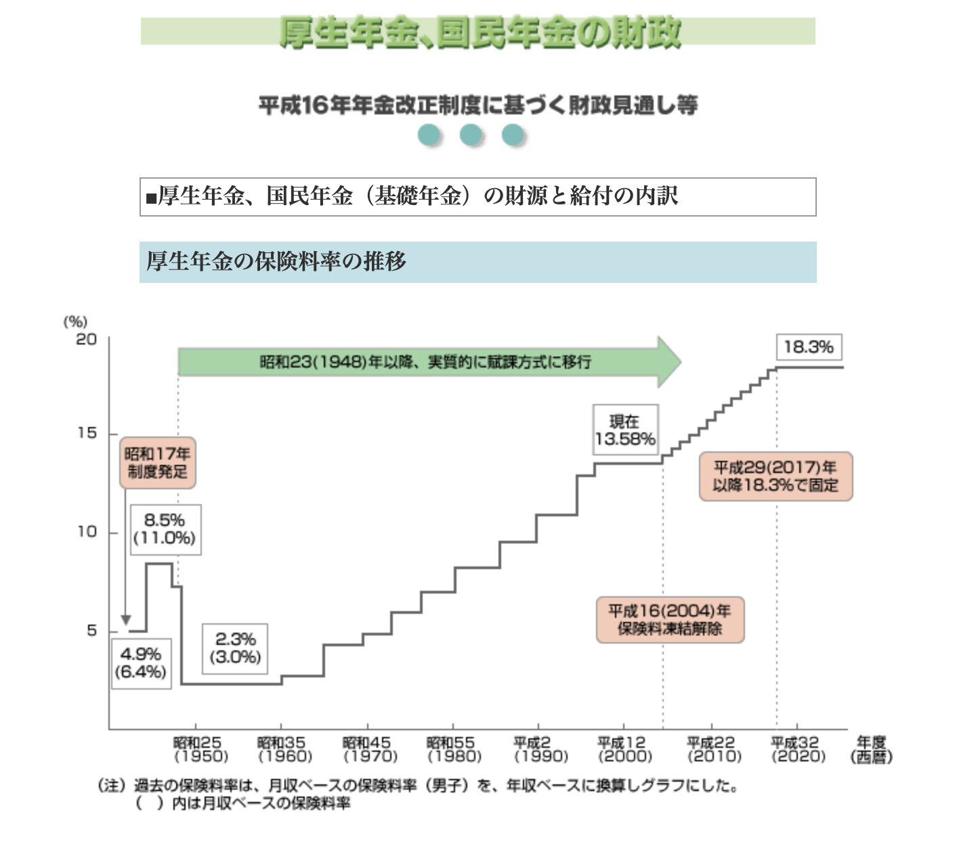
Year | Rate | Year | Rate
1994 | 16.500% | 2009 | 15.704% | https://www.mhlw.go.jp/topics/nenkin/zaisei/zaisei/04/04-17-14.html
1995 | 16.500% | 2010 | 16.058% | https://www.mhlw.go.jp/wp/hakusyo/kousei/11/backdata/mokuji/hp11010304.html
1996 | 17.350% | 2011 | 16.412% | https://hcm-jinjer.com/blog/kintai/payroll_welfare-pension-premium/
1997 | 17.350% | 2012 | 16.766%
1998 | 17.350% | 2013 | 17.120%
1999 | 17.350% | 2014 | 17.474%
2000 | 17.350% | 2015 | 17.828%
2001 | 17.350% | 2016 | 18.182%
2002 | 17.350% | 2017 | 18.300%
2003 | 13.580% | 2018 | 18.300%

job application
job offer to application ratio
job offer to application ratio
job offer to application ratio japan
Year | ratio | Year | ratio
1994 | 1.08 | 2009 | 0.79
1995 | 1.06 | 2010 | 0.89
1996 | 1.19 | 2011 | 1.05
1997 | 1.20 | 2012 | 1.28
1998 | 0.92 | 2013 | 1.46
1999 | 0.87 | 2014 | 1.66
2000 | 1.05 | 2015 | 1.80
2001 | 1.01 | 2016 | 2.04
2002 | 0.93 | 2017 | 2.24
2003 | 1.07 | 2018 | 2.39

就业率转差，企业招人趋势下降 |  | 就业率转好，企业招人趋势明显

https://www.statista.com/statistics/1454374/japan-new-job-openings-to-applicants-ratio/

pension balance
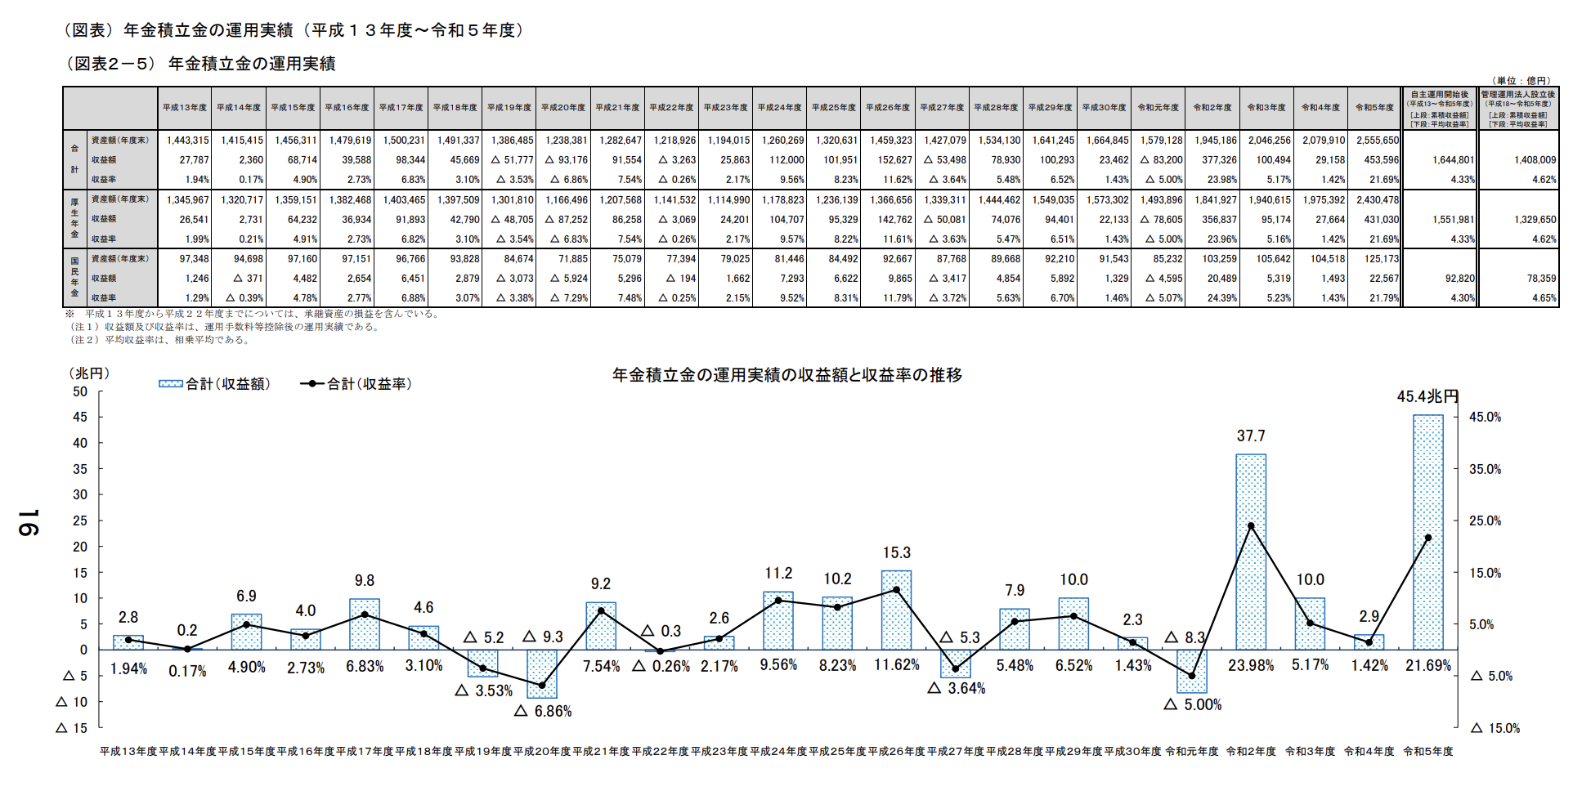
 | Year | balance |  | profit/loss | ror% |  |  | Year | balance |  | profit/loss | ror%
平成6 | 1994 | 1,045,318 |  |  | 5.34% |  | 平成21 | 2009 | 1,207,568 |  | 86258 | 7.54%
 | 1995 | 1,118,111 | 0.0696 |  | 5.24% |  |  | 2010 | 1,141,532 | (0.0547) | -3069 | -0.26%
 | 1996 | 1,184,579 | 0.0594 |  | 4.99% |  |  | 2011 | 1,114,990 | (0.0233) | 24201 | 2.17%
 | 1997 | 1,257,560 | 0.0616 |  | 4.66% |  |  | 2012 | 1,178,823 | 0.0573 | 104707 | 9.57%
平成10 | 1998 | 1,308,446 | 0.0405 |  | 4.15% |  |  | 2013 | 1,236,139 | 0.0486 | 95329 | 8.22%
 | 1999 | 1,347,988 | 0.0302 |  | 3.62% |  |  | 2014 | 1,366,656 | 0.1056 | 142762 | 11.61%
平成12 | 2000 | 1,368,804 | 0.0154 |  | 3.22% |  |  | 2015 | 1,339,311 | (0.0200) | -50081 | -3.63%
平成13 | 2001 | 1,345,967 | (0.0167) |  | 1.99% |  |  | 2016 | 1,444,462 | 0.0785 | 74076 | 5.47%
 | 2002 | 1,320,717 | (0.0188) |  | 0.21% |  |  | 2017 | 1,549,035 | 0.0724 | 94401 | 6.51%
平成15 | 2003 | 1,359,151 | 0.0291 |  | 4.91% |  | 平成30 | 2018 | 1,573,302 | 0.0157 | 22133 | 1.43%

 | 厚生年金保険の積立金の累積状況の推移
 | 時価ベース
 | 年度末
balance | https://data.e-gov.go.jp/data/dataset/mhlw_20191120_0231/resource/1a7874e4-31f3-4ba2-a62b-abc791711fc8
 | https://www.mhlw.go.jp/content/001301328.pdf |  |  |  |  | page 16
 | 平成15年/平成20年
 | https://www.mhlw.go.jp/topics/bukyoku/nenkin/nenkin/toukei/nenpou/2008/old.html

Pension Balance (1994-2003)
Pension Balance (2009-2018)
 |  |  |  |  |  |  |  | 2024 | 247.7618

Young Unemp
Year | Rate | Year | Rate
1994 I | 5.33 | 2009 I | 8.73
1994 II | 5.63 | 2009 II | 8.87
1994 III | 5.60 | 2009 III | 9.63
1994 IV | 5.50 | 2009 IV | 9.53
1995 I | 5.70 | 2010 I | 9.37
1995 II | 5.87 | 2010 II | 9.93
1995 III | 6.57 | 2010 III | 8.83
1995 IV | 6.37 | 2010 IV | 9.17
1996 I | 6.67 | 2011 I | 8.30
1996 II | 6.73 | 2011 II | 8.26
1996 III | 6.43 | 2011 III | 8.09
1996 IV | 6.47 | 2011 IV | 8.60
1997 I | 6.60 | 2012 I | 9.03
1997 II | 6.67 | 2012 II | 8.13
1997 III | 6.50 | 2012 III | 7.90
1997 IV | 6.80 | 2012 IV | 7.27
1998 I | 7.27 | 2013 I | 6.77
1998 II | 7.67 | 2013 II | 7.07
1998 III | 7.77 | 2013 III | 6.73
1998 IV | 8.23 | 2013 IV | 6.47
1999 I | 8.83 | 2014 I | 6.23
1999 II | 9.13 | 2014 II | 6.43
1999 III | 9.47 | 2014 III | 5.90
1999 IV | 9.30 | 2014 IV | 6.17
2000 I | 8.80 | 2015 I | 6.13
2000 II | 8.80 | 2015 II | 5.40
2000 III | 8.90 | 2015 III | 5.53
2000 IV | 9.87 | 2015 IV | 5.33
2001 I | 9.10 | 2016 I | 5.67
2001 II | 9.47 | 2016 II | 5.13
2001 III | 10.10 | 2016 III | 4.93
2001 IV | 9.83 | 2016 IV | 4.80
2002 I | 10.30 | 2017 I | 4.57
2002 II | 9.93 | 2017 II | 4.90
2002 III | 9.93 | 2017 III | 4.67
2002 IV | 9.43 | 2017 IV | 4.43
2003 I | 10.37 | 2018 I | 3.93
2003 II | 10.60 | 2018 II | 3.63
2003 III | 9.70 | 2018 III | 3.67
2003 IV | 9.73 | 2018 IV | 3.33

seasonaly adjusted, 15-24 years for Japan, quarterly

https://fred.stlouisfed.org/series/LRHU24TTJPQ156S

Old Unemp
Year | Rate | Year | Rate
1994 I | 2.46 | 2009 I | 4.16
1994 II | 2.38 | 2009 II | 4.73
1994 III | 2.55 | 2009 III | 5.01
1994 IV | 2.51 | 2009 IV | 4.78
1995 I | 2.58 | 2010 I | 4.62
1995 II | 2.65 | 2010 II | 4.67
1995 III | 2.67 | 2010 III | 4.70
1995 IV | 2.87 | 2010 IV | 4.59
1996 I | 2.84 | 2011 I | 4.41
1996 II | 2.89 | 2011 II | 4.35
1996 III | 2.86 | 2011 III | 4.16
1996 IV | 2.89 | 2011 IV | 4.09
1997 I | 2.85 | 2012 I | 4.12
1997 II | 2.85 | 2012 II | 4.09
1997 III | 2.96 | 2012 III | 3.94
1997 IV | 3.05 | 2012 IV | 3.91
1998 I | 3.18 | 2013 I | 3.98
1998 II | 3.58 | 2013 II | 3.79
1998 III | 3.76 | 2013 III | 3.70
1998 IV | 3.89 | 2013 IV | 3.62
1999 I | 4.05 | 2014 I | 3.39
1999 II | 4.14 | 2014 II | 3.37
1999 III | 4.12 | 2014 III | 3.35
1999 IV | 4.02 | 2014 IV | 3.21
2000 I | 4.29 | 2015 I | 3.24
2000 II | 4.18 | 2015 II | 3.16
2000 III | 4.13 | 2015 III | 3.17
2000 IV | 4.09 | 2015 IV | 3.05
2001 I | 4.22 | 2016 I | 3.03
2001 II | 4.35 | 2016 II | 2.99
2001 III | 4.52 | 2016 III | 2.89
2001 IV | 4.83 | 2016 IV | 2.85
2002 I | 4.70 | 2017 I | 2.75
2002 II | 4.86 | 2017 II | 2.70
2002 III | 4.90 | 2017 III | 2.60
2002 IV | 4.87 | 2017 IV | 2.57
2003 I | 4.80 | 2018 I | 2.35
2003 II | 4.84 | 2018 II | 2.27
2003 III | 4.65 | 2018 III | 2.32
2003 IV | 4.52 | 2018 IV | 2.38

seasonaly adjusted, 25+ years for Japan, quarterly

https://fred.stlouisfed.org/series/LRHUADTTJPQ156S

CPI
Year | Rate | cpi | cpi平滑化，1997Q2 ≈ mean(1996Q2, 1998Q2) |  | Year | Rate | cpi | cpi平滑化，2014Q2 ≈ mean(2013Q2, 2015Q2)
1993 IV | 97.39696 |  |  |  | 2008 IV | 98.59483
1994 I | 98.00684 | 0.0063 | 0.0063 |  | 2009 I | 97.69471 | -0.0091 | -0.0091
1994 II | 97.82388 | -0.0019 | -0.0019 | 1.0466559834 | 2009 II | 97.2768 | -0.0043 | -0.0043
1994 III | 97.85436 | 0.0003 | 0.0003 |  | 2009 III | 96.98748 | -0.0030 | -0.0030
1994 IV | 98.31178 | 0.0047 | 0.0047 |  | 2009 IV | 96.60172 | -0.0040 | -0.0040
1995 I | 98.11395 | -0.0020 | -0.0020 |  | 2010 I | 96.79281 | 0.0020 | 0.0020
1995 II | 97.82038 | -0.0030 | -0.0030 |  | 2010 II | 96.62312 | -0.0018 | -0.0018
1995 III | 97.82038 | 0.0000 | 0.0000 |  | 2010 III | 96.28373 | -0.0035 | -0.0035
1995 IV | 97.78777 | -0.0003 | -0.0003 |  | 2010 IV | 96.45342 | 0.0018 | 0.0018
1996 I | 97.81998 | 0.0003 | 0.0003 |  | 2011 I | 96.24979 | -0.0021 | -0.0021
1996 II | 97.78697 | -0.0003 | -0.0003 |  | 2011 II | 96.24979 | 0.0000 | 0.0000
1996 III | 97.98505 | 0.0020 | 0.0020 |  | 2011 III | 96.3516 | 0.0011 | 0.0011
1996 IV | 98.01807 | 0.0003 | 0.0003 |  | 2011 IV | 96.14797 | -0.0021 | -0.0021
1997 I | 98.31519 | 0.0030 | 0.0030 |  | 2012 I | 96.58917 | 0.0046 | 0.0046
1997 II | 99.7678 | 0.0148 | 0.0148 |  | 2012 II | 96.38554 | -0.0021 | -0.0021
1997 III | 100.0979 | 0.0033 | 0.0033 |  | 2012 III | 95.94434 | -0.0046 | -0.0046
1997 IV | 100.0649 | -0.0003 | -0.0003 |  | 2012 IV | 95.94434 | 0.0000 | 0.0000
1998 I | 100.296 | 0.0023 | 0.0023 |  | 2013 I | 96.04616 | 0.0011 | 0.0011
1998 II | 100.164 | -0.0013 | -0.0013 |  | 2013 II | 96.14797 | 0.0011 | 0.0011
1998 III | 99.86684 | -0.0030 | -0.0030 |  | 2013 III | 96.79281 | 0.0067 | 0.0067
1998 IV | 100.5931 | 0.0073 | 0.0073 |  | 2013 IV | 97.26794 | 0.0049 | 0.0049
1999 I | 100.164 | -0.0043 | -0.0043 |  | 2014 I | 97.47157 | 0.0021 | 0.0021
1999 II | 99.93287 | -0.0023 | -0.0023 |  | 2014 II | 99.6097 | 0.0219 | 0.0024
1999 III | 99.86684 | -0.0007 | -0.0007 |  | 2014 III | 100.017 | 0.0041 | 0.0041
1999 IV | 99.56972 | -0.0030 | -0.0030 |  | 2014 IV | 99.74546 | -0.0027 | -0.0027
2000 I | 99.60126 | 0.0003 | 0.0003 |  | 2015 I | 99.7794 | 0.0003 | 0.0003
2000 II | 99.40761 | -0.0019 | -0.0019 |  | 2015 II | 100.1527 | 0.0037 | 0.0037
2000 III | 99.24623 | -0.0016 | -0.0016 |  | 2015 III | 100.1527 | 0.0000 | 0.0000
2000 IV | 99.11713 | -0.0013 | -0.0013 |  | 2015 IV | 99.91515 | -0.0024 | -0.0024
2001 I | 99.08485 | -0.0003 | -0.0003 |  | 2016 I | 99.81334 | -0.0010 | -0.0010
2001 II | 98.633 | -0.0046 | -0.0046 |  | 2016 II | 99.84727 | 0.0003 | 0.0003
2001 III | 98.40707 | -0.0023 | -0.0023 |  | 2016 III | 99.71152 | -0.0014 | -0.0014
2001 IV | 98.05205 | -0.0036 | -0.0036 |  | 2016 IV | 100.1527 | 0.0044 | 0.0044
2002 I | 97.72929 | -0.0033 | -0.0033 |  | 2017 I | 100.0848 | -0.0007 | -0.0007
2002 II | 97.76157 | 0.0003 | 0.0003 |  | 2017 II | 100.2885 | 0.0020 | 0.0020
2002 III | 97.63247 | -0.0013 | -0.0013 |  | 2017 III | 100.3564 | 0.0007 | 0.0007
2002 IV | 97.53564 | -0.0010 | -0.0010 |  | 2017 IV | 100.7636 | 0.0041 | 0.0041
2003 I | 97.47109 | -0.0007 | -0.0007 |  | 2018 I | 101.3745 | 0.0061 | 0.0061
2003 II | 97.53564 | 0.0007 | 0.0007 |  | 2018 II | 100.9672 | -0.0040 | -0.0040
2003 III | 97.40654 | -0.0013 | -0.0013 |  | 2018 III | 101.4763 | 0.0050 | 0.0050
2003 IV | 97.21289 | -0.0020 | -0.0020 |  | 2018 IV | 101.6121 | 0.0013 | 0.0013

seasonal adjusted, quarterly, 2015=100

https://fred.stlouisfed.org/series/CPALTT01JPQ661S

Household Consumption
Nominal, Seasonally Adjusted Series
gaku-mk2522.csv
column 3 家計最終消費支出

Year | Consumption of Households | Year | Consumption of Households
1994 I | 262,018.60 | 2009 I | 278,435.50
1994 II | 264,538.70 | 2009 II | 279,480.60
1994 III | 266,001.10 | 2009 III | 279,485.10
1994 IV | 266,524.00 | 2009 IV | 280,089.20
1995 I | 267,940.80 | 2010 I | 280,626.60
1995 II | 269,336.90 | 2010 II | 282,018.80
1995 III | 270,853.70 | 2010 III | 284,026.90
1995 IV | 272,903.80 | 2010 IV | 279,651.00
1996 I | 271,909.70 | 2011 I | 275,029.20
1996 II | 276,057.50 | 2011 II | 276,205.50
1996 III | 276,105.50 | 2011 III | 280,004.30
1996 IV | 279,181.10 | 2011 IV | 281,716.50
1997 I | 283,365.10 | 2012 I | 283,143.60
1997 II | 280,137.50 | 2012 II | 282,303.60
1997 III | 280,669.40 | 2012 III | 279,964.60
1997 IV | 279,742.30 | 2012 IV | 282,000.10
1998 I | 278,699.20 | 2013 I | 286,212.90
1998 II | 277,895.40 | 2013 II | 288,062.80
1998 III | 279,064.70 | 2013 III | 290,203.10
1998 IV | 279,601.10 | 2013 IV | 291,127.80
1999 I | 279,225.60 | 2014 I | 297,826.60
1999 II | 278,952.20 | 2014 II | 288,550.70
1999 III | 280,453.30 | 2014 III | 291,611.60
1999 IV | 280,371.70 | 2014 IV | 291,844.70
2000 I | 281,824.80 | 2015 I | 292,710.80
2000 II | 280,744.50 | 2015 II | 293,875.00
2000 III | 280,996.70 | 2015 III | 294,553.50
2000 IV | 283,491.30 | 2015 IV | 291,848.60
2001 I | 285,108.00 | 2016 I | 290,857.00
2001 II | 284,971.70 | 2016 II | 289,311.20
2001 III | 283,704.90 | 2016 III | 289,950.90
2001 IV | 281,561.50 | 2016 IV | 291,403.40
2002 I | 282,717.40 | 2017 I | 293,216.60
2002 II | 284,235.30 | 2017 II | 294,965.80
2002 III | 284,043.50 | 2017 III | 294,159.80
2002 IV | 282,600.50 | 2017 IV | 295,923.60
2003 I | 283,033.20 | 2018 I | 297,312.90
2003 II | 281,148.50 | 2018 II | 297,249.60
2003 III | 280,508.40 | 2018 III | 298,959.70
2003 IV | 283,522.70 | 2018 IV | 298,261.00

Nominal &Real GDP
Year | Nominal GDP | Real GDP | real gdp growth | Year | Nominal GDP | Real GDP | real gdp growth | Year | Nominal GDP | Real GDP | Unemployment Rate for 15+ |  | https://fred.stlouisfed.org/series/LRUNTTTTJPQ156S
1994 I | 510,102.90 | 446212.80 | 0 | 2009 I | 492,259.60 | 482,154.60 | 0 | 1994 I | 510,102.90 | 446212.80 | 2.8667 | 0.0287
1994 II | 509,036.80 | 443826.60 | -0.0053476726799 | 2009 II | 497,861.70 | 491,599.80 | 0.01958956733 | 1994 II | 509,036.80 | 443826.60 | 2.8000 | 0.0280 |  |  | sum production | sum inventories | sum sales | demand | market-price
1994-2003
2009-2018
Real GDP (expenditure approach, base=2015, seasonally adjusted, realease date = Sep 8, 2025)
1994 III | 512,988.90 | 448928.00 | 0.011494128563 | 2009 III | 493,597.90 | 491,378.00 | -0.00045118000455 | 1994 III | 512,988.90 | 448928.00 | 2.9667 | 0.0297 |  | tick 0 | 1545 | 0 | 0 | 0 | 1.02
1994 IV | 511,572.00 | 447151.20 | -0.0039578729774 | 2009 IV | 496,481.60 | 497,356.30 | 0.012166397356 | 1994 IV | 511,572.00 | 447151.20 | 2.9333 | 0.0293 |  | tick 1 | 1469 | 256 | 1212 | 1299 | 1.05
1995 I | 514,908.40 | 452027.10 | 0.010904365235 | 2010 I | 501,533.70 | 502,691.20 | 0.010726515377 | 1995 I | 514,908.40 | 452027.10 | 3.0333 | 0.0303 |  | tick 2 | 1518 | 479 | 1294 | 1336 | 1.06
1995 II | 518,785.50 | 456357.00 | 0.0095788504716 | 2010 II | 504,936.80 | 508,734.70 | 0.01202229122 | 1995 II | 518,785.50 | 456357.00 | 3.0667 | 0.0307 |  | tick 3
1995 III | 525,380.90 | 461696.90 | 0.011701146252 | 2010 III | 510,930.70 | 517,944.40 | 0.018103148851 | 1995 III | 525,380.90 | 461696.90 | 3.1667 | 0.0317
1995 IV | 527,014.70 | 462830.50 | 0.002455290473 | 2010 IV | 505,304.20 | 513,619.70 | -0.0083497379255 | 1995 IV | 527,014.70 | 462830.50 | 3.3333 | 0.0333
1996 I | 529,017.70 | 466681.80 | 0.0083211888586 | 2011 I | 498,689.80 | 508,323.60 | -0.010311325675 | 1996 I | 529,017.70 | 466681.80 | 3.3667 | 0.0337
1996 II | 536,049.40 | 472568.10 | 0.012613090975 | 2011 II | 490,672.60 | 503,943.90 | -0.0086159682533 | 1996 II | 536,049.40 | 472568.10 | 3.4000 | 0.0340
1996 III | 536,121.90 | 473144.70 | 0.001220141605 | 2011 III | 501,084.30 | 516,137.00 | 0.024195351903 | 1996 III | 536,121.90 | 473144.70 | 3.3333 | 0.0333
1996 IV | 541,134.80 | 478442.20 | 0.011196363396 | 2011 IV | 500,247.50 | 515,314.20 | -0.0015941503903 | 1996 IV | 541,134.80 | 478442.20 | 3.3667 | 0.0337
1997 I | 542,156.70 | 479586.70 | 0.0023921384861 | 2012 I | 507,465.00 | 522,781.10 | 0.014489994648 | 1997 I | 542,156.70 | 479586.70 | 3.3333 | 0.0333
1997 II | 544,079.90 | 476097.00 | -0.0072764736804 | 2012 II | 500,178.10 | 517,866.40 | -0.009401066718 | 1997 II | 544,079.90 | 476097.00 | 3.3333 | 0.0333
1997 III | 544,024.60 | 476996.70 | 0.0018897409561 | 2012 III | 497,580.90 | 515,836.50 | -0.0039197368279 | 1997 III | 544,024.60 | 476996.70 | 3.4333 | 0.0343
1997 IV | 544,965.80 | 477185.30 | 0.00039539057608 | 2012 IV | 497,230.00 | 515,391.70 | -0.00086228872908 | 1997 IV | 544,965.80 | 477185.30 | 3.5000 | 0.0350
1998 I | 537,984.20 | 471302.30 | -0.012328544069 | 2013 I | 502,947.10 | 522,631.90 | 0.014047956147 | 1998 I | 537,984.20 | 471302.30 | 3.6667 | 0.0367
1998 II | 534,816.00 | 469326.90 | -0.004191365075 | 2013 II | 507,554.40 | 527,382.90 | 0.0090905281518 | 1998 II | 534,816.00 | 469326.90 | 4.0667 | 0.0407
1998 III | 533,899.70 | 470137.10 | 0.0017263020722 | 2013 III | 512,890.00 | 532,360.60 | 0.0094384933603 | 1998 III | 533,899.70 | 470137.10 | 4.2667 | 0.0427
Real GDP and Unemployment Rate for 15+ (1994 I ~ 2018 IV)
1998 IV | 539,288.60 | 473925.20 | 0.0080574368626 | 2013 IV | 512,474.80 | 531,674.20 | -0.0012893516162 | 1998 IV | 539,288.60 | 473925.20 | 4.4000 | 0.0440
1999 I | 529,063.30 | 467337.50 | -0.013900294814 | 2014 I | 516,608.00 | 536,079.80 | 0.0082862775737 | 1999 I | 529,063.30 | 467337.50 | 4.6000 | 0.0460
1999 II | 529,019.10 | 469194.80 | 0.0039742156365 | 2014 II | 517,941.20 | 526,459.30 | -0.017946022215 | 1999 II | 529,019.10 | 469194.80 | 4.7333 | 0.0473
1999 III | 528,593.40 | 471673.50 | 0.0052828803729 | 2014 III | 518,261.70 | 526,816.90 | 0.0006792547876 | 1999 III | 528,593.40 | 471673.50 | 4.7000 | 0.0470
1999 IV | 527,862.60 | 471847.60 | 0.00036911126023 | 2014 IV | 522,095.00 | 529,228.10 | 0.0045769222665 | 1999 IV | 527,862.60 | 471847.60 | 4.6333 | 0.0463
2000 I | 535,133.80 | 479971.20 | 0.017216575861 | 2015 I | 534,727.30 | 537,485.10 | 0.015601968225 | 2000 I | 535,133.80 | 479971.20 | 4.8333 | 0.0483
2000 II | 535,358.70 | 482132.70 | 0.0045033952037 | 2015 II | 538,193.50 | 538,298.20 | 0.0015127861219 | 2000 II | 535,358.70 | 482132.70 | 4.7000 | 0.0470
2000 III | 534,440.10 | 482246.20 | 0.00023541236676 | 2015 III | 539,902.00 | 538,760.80 | 0.00085937497097 | 2000 III | 534,440.10 | 482246.20 | 4.6667 | 0.0467
2000 IV | 537,843.40 | 486946.60 | 0.0097468886225 | 2015 IV | 539,306.20 | 537,827.90 | -0.0017315662164 | 2000 IV | 537,843.40 | 486946.60 | 4.7333 | 0.0473
2001 I | 542,552.70 | 490,512.00 | 0.0073219527562 | 2016 I | 545,302.50 | 541,992.20 | 0.0077428114086 | 2001 I | 542,552.70 | 490,512.00 | 4.7667 | 0.0477
2001 II | 534,253.70 | 486,868.20 | -0.0074285644388 | 2016 II | 543,366.40 | 541,063.10 | -0.0017142313118 | 2001 II | 534,253.70 | 486,868.20 | 4.9000 | 0.0490
2001 III | 527,026.00 | 481,574.10 | -0.010873784733 | 2016 III | 543,580.20 | 542,162.70 | 0.002032295309 | 2001 III | 527,026.00 | 481,574.10 | 5.1333 | 0.0513
2001 IV | 523,926.10 | 479,921.40 | -0.0034318706093 | 2016 IV | 544,543.00 | 542,875.80 | 0.0013152878278 | 2001 IV | 523,926.10 | 479,921.40 | 5.3667 | 0.0537
2002 I | 525,460.80 | 480,709.80 | 0.0016427690034 | 2017 I | 547,710.40 | 547,149.20 | 0.0078717820909 | 2002 I | 525,460.80 | 480,709.80 | 5.2667 | 0.0527
2002 II | 524,239.70 | 484,597.00 | 0.0080863756054 | 2017 II | 550,561.90 | 549,313.60 | 0.0039557765962 | 2002 II | 524,239.70 | 484,597.00 | 5.4000 | 0.0540
2002 III | 524,193.60 | 486,159.10 | 0.0032235032408 | 2017 III | 557,116.20 | 554,075.00 | 0.0086679084588 | 2002 III | 524,193.60 | 486,159.10 | 5.4333 | 0.0543
2002 IV | 524,421.60 | 487,512.10 | 0.0027830395441 | 2017 IV | 556,799.00 | 554,361.20 | 0.00051653656996 | 2002 IV | 524,421.60 | 487,512.10 | 5.3333 | 0.0533
2003 I | 521,369.30 | 487,793.90 | 0.00057803693488 | 2018 I | 558,448.70 | 554,797.90 | 0.00078775354408 | 2003 I | 521,369.30 | 487,793.90 | 5.3333 | 0.0533
2003 II | 524,525.40 | 491,109.80 | 0.0067977479833 | 2018 II | 558,877.60 | 556,986.70 | 0.0039452204127 | 2003 II | 524,525.40 | 491,109.80 | 5.4333 | 0.0543
2003 III | 524,374.10 | 492,610.50 | 0.0030557321397 | 2018 III | 555,387.10 | 554,216.50 | -0.0049735478423 | 2003 III | 524,374.10 | 492,610.50 | 5.1667 | 0.0517
2003 IV | 526,400.20 | 497,994.30 | 0.010929121486 | 2018 IV | 553,492.90 | 552,790.90 | -0.0025722799664 | 2003 IV | 526,400.20 | 497,994.30 | 5.0333 | 0.0503
 |  |  |  |  |  |  |  | 2004 I | 529,372.90 | 501,789.50 | 4.9000 | 0.0490
 |  |  |  |  |  |  |  | 2004 II | 527,644.60 | 501,641.40 | 4.7333 | 0.0473
 |  |  |  |  |  |  |  | 2004 III | 530,486.40 | 504,777.80 | 4.7667 | 0.0477
 |  |  |  |  |  |  |  | 2004 IV | 529,913.70 | 503,840.20 | 4.5333 | 0.0453
nominal gdp (expenditure approach) |  |  |  |  |  |  |  | 2005 I | 529,917.70 | 506,400.40 | 4.5333 | 0.0453
billions of chained (2015) Yen |  |  |  |  |  |  |  | 2005 II | 531,327.50 | 510,275.80 | 4.4333 | 0.0443
seasonaly adjusted, Japan, quarterly |  |  |  |  |  |  |  | 2005 III | 534,598.60 | 515,520.60 | 4.3000 | 0.0430
release date: |  |  |  |  |  |  |  | 2005 IV | 534,734.00 | 516,433.80 | 4.4333 | 0.0443
 |  |  |  |  |  |  |  | 2006 I | 534,544.90 | 517,224.50 | 4.2000 | 0.0420
 |  |  |  |  |  |  |  | 2006 II | 533,998.10 | 517,983.20 | 4.1333 | 0.0413
https://www.esri.cao.go.jp/en/sna/data/sokuhou/files/2025/qe252_2/gdemenuea.html |  |  |  |  |  |  |  | 2006 III | 532,261.00 | 517,024.70 | 4.1000 | 0.0410
 |  |  |  |  |  |  |  | 2006 IV | 539,891.20 | 523,954.00 | 4.0333 | 0.0403
 |  |  |  |  |  |  |  | 2007 I | 541,962.10 | 527,437.00 | 4.0000 | 0.0400
 |  |  |  |  |  |  |  | 2007 II | 542,060.40 | 527,618.60 | 3.7667 | 0.0377
 |  |  |  |  |  |  |  | 2007 III | 536,493.60 | 524,808.30 | 3.7333 | 0.0373
 |  |  |  |  |  |  |  | 2007 IV | 536,783.90 | 526,985.80 | 3.8333 | 0.0383
 |  |  |  |  |  |  |  | 2008 I | 537,630.50 | 529,126.40 | 3.9000 | 0.0390
 |  |  |  |  |  |  |  | 2008 II | 533,627.70 | 525,865.90 | 3.9667 | 0.0397
 |  |  |  |  |  |  |  | 2008 III | 523,211.20 | 519,352.70 | 4.0000 | 0.0400
 |  |  |  |  |  |  |  | 2008 IV | 516,887.00 | 506,381.60 | 4.0667 | 0.0407
 |  |  |  |  |  |  |  | 2009 I | 492,259.60 | 482,154.60 | 4.5667 | 0.0457
 |  |  |  |  |  |  |  | 2009 II | 497,861.70 | 491,599.80 | 5.1000 | 0.0510
 |  |  |  |  |  |  |  | 2009 III | 493,597.90 | 491,378.00 | 5.4333 | 0.0543
 |  |  |  |  |  |  |  | 2009 IV | 496,481.60 | 497,356.30 | 5.2000 | 0.0520
 |  |  |  |  |  |  |  | 2010 I | 501,533.70 | 502,691.20 | 5.0333 | 0.0503
 |  |  |  |  |  |  |  | 2010 II | 504,936.80 | 508,734.70 | 5.1333 | 0.0513
 |  |  |  |  |  |  |  | 2010 III | 510,930.70 | 517,944.40 | 5.0667 | 0.0507
 |  |  |  |  |  |  |  | 2010 IV | 505,304.20 | 513,619.70 | 5.0000 | 0.0500
 |  |  |  |  |  |  |  | 2011 I | 498,689.80 | 508,323.60 | 4.7333 | 0.0473
 |  |  |  |  |  |  |  | 2011 II | 490,672.60 | 503,943.90 | 4.6667 | 0.0467
 |  |  |  |  |  |  |  | 2011 III | 501,084.30 | 516,137.00 | 4.4667 | 0.0447
 |  |  |  |  |  |  |  | 2011 IV | 500,247.50 | 515,314.20 | 4.4667 | 0.0447
 |  |  |  |  |  |  |  | 2012 I | 507,465.00 | 522,781.10 | 4.5000 | 0.0450
 |  |  |  |  |  |  |  | 2012 II | 500,178.10 | 517,866.40 | 4.4000 | 0.0440
 |  |  |  |  |  |  |  | 2012 III | 497,580.90 | 515,836.50 | 4.2333 | 0.0423
 |  |  |  |  |  |  |  | 2012 IV | 497,230.00 | 515,391.70 | 4.1667 | 0.0417
 |  |  |  |  |  |  |  | 2013 I | 502,947.10 | 522,631.90 | 4.2000 | 0.0420
 |  |  |  |  |  |  |  | 2013 II | 507,554.40 | 527,382.90 | 4.0333 | 0.0403
 |  |  |  |  |  |  |  | 2013 III | 512,890.00 | 532,360.60 | 3.9333 | 0.0393
 |  |  |  |  |  |  |  | 2013 IV | 512,474.80 | 531,674.20 | 3.8667 | 0.0387
 |  |  |  |  |  |  |  | 2014 I | 516,608.00 | 536,079.80 | 3.6667 | 0.0367
 |  |  |  |  |  |  |  | 2014 II | 517,941.20 | 526,459.30 | 3.6333 | 0.0363
 |  |  |  |  |  |  |  | 2014 III | 518,261.70 | 526,816.90 | 3.5667 | 0.0357
 |  |  |  |  |  |  |  | 2014 IV | 522,095.00 | 529,228.10 | 3.4667 | 0.0347
 |  |  |  |  |  |  |  | 2015 I | 534,727.30 | 537,485.10 | 3.5000 | 0.0350
 |  |  |  |  |  |  |  | 2015 II | 538,193.50 | 538,298.20 | 3.3667 | 0.0337
 |  |  |  |  |  |  |  | 2015 III | 539,902.00 | 538,760.80 | 3.3667 | 0.0337
 |  |  |  |  |  |  |  | 2015 IV | 539,306.20 | 537,827.90 | 3.2667 | 0.0327
 |  |  |  |  |  |  |  | 2016 I | 545,302.50 | 541,992.20 | 3.2333 | 0.0323
 |  |  |  |  |  |  |  | 2016 II | 543,366.40 | 541,063.10 | 3.1667 | 0.0317
 |  |  |  |  |  |  |  | 2016 III | 543,580.20 | 542,162.70 | 3.0333 | 0.0303
 |  |  |  |  |  |  |  | 2016 IV | 544,543.00 | 542,875.80 | 3.0000 | 0.0300
 |  |  |  |  |  |  |  | 2017 I | 547,710.40 | 547,149.20 | 2.9000 | 0.0290
 |  |  |  |  |  |  |  | 2017 II | 550,561.90 | 549,313.60 | 2.8667 | 0.0287
 |  |  |  |  |  |  |  | 2017 III | 557,116.20 | 554,075.00 | 2.8000 | 0.0280
 |  |  |  |  |  |  |  | 2017 IV | 556,799.00 | 554,361.20 | 2.7000 | 0.0270
 |  |  |  |  |  |  |  | 2018 I | 558,448.70 | 554,797.90 | 2.4667 | 0.0247
 |  |  |  |  |  |  |  | 2018 II | 558,877.60 | 556,986.70 | 2.3667 | 0.0237
 |  |  |  |  |  |  |  | 2018 III | 555,387.10 | 554,216.50 | 2.4333 | 0.0243
 |  |  |  |  |  |  |  | 2018 IV | 553,492.90 | 552,790.90 | 2.4667 | 0.0247

